Sheet1
2008 Toyota Rav4 Sport 2.4
WHEEL HUB/FRONT AXLE HUB
Your Vehicle: 2008 Toyota Truck RAV4 2WD L4-2.4L (2AZ-FE)

 | Vehicle » Transmission and Drivetrain » Drive Axles, Bearings and Joints » Wheel Hub » Service and Repair » Front Axle Hub » Removal

 | Removal

AXLE: FRONT AXLE HUB: REMOVAL

REMOVAL
HINT:

Use the same procedures for the RH side and LH side.
The procedures listed below are the LH side.

1. REMOVE FRONT WHEEL
2. DRAIN AUTOMATIC TRANSAXLE FLUID

(a) | Drain the automatic transaxle fluid for U140F See: Automatic Transmission/Transaxle\Fluid - A/T\Service and Repair.
(b) | Drain the automatic transaxle fluid for U241E See: Automatic Transmission/Transaxle\Fluid - A/T\Service and Repair.
(c) | Drain the automatic transaxle fluid for U151E See: Automatic Transmission/Transaxle\Fluid - A/T\Service and Repair.
(d) | Drain the automatic transaxle fluid for U151F See: Automatic Transmission/Transaxle\Fluid - A/T\Service and Repair.

3. DISCONNECT CABLE FROM NEGATIVE BATTERY TERMINAL CAUTION: Wait at least 90 seconds after disconnecting the cable from the negative (-) battery terminal to prevent airbag and seat belt pretensioner activation.

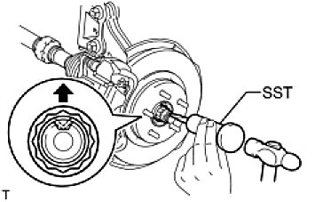

4. REMOVE FRONT AXLE SHAFT LH NUT

(a) | Using SST and a hammer, unstake the staked part of the nut.
SST: 09930-00010
NOTE: Loosen the staked part of the nut completely, otherwise the screw of the drive shaft may be damaged.

(b) | While applying the brakes, remove the lock axle hub nut.

5. REMOVE FRONT SPEED SENSOR LH See: Brakes and Traction Control\Antilock Brakes / Traction Control Systems\Wheel Speed Sensor\Service and Repair\Front Speed Sensor\Removal
6. REMOVE FRONT DISC BRAKE CYLINDER ASSEMBLY LH See: Brakes and Traction Control\Disc Brake System\Service and Repair\Front Brake\Removal
7. REMOVE FRONT DISC See: Brakes and Traction Control\Disc Brake System\Service and Repair\Front Brake\Disassembly
8. DISCONNECT TIE ROD END SUB-ASSEMBLY LH See: Steering and Suspension\Steering\Steering Gear\Service and Repair\Removal

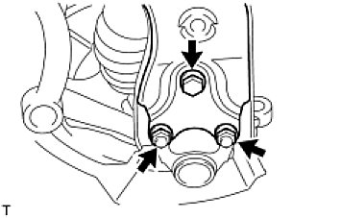

9. DISCONNECT FRONT SUSPENSION NO. 1 LOWER ARM SUB-ASSEMBLY LH

(a) | Remove the bolt and 2 nuts.
(b) | Disconnect the lower arm from the ball joint.

10. REMOVE STEERING KNUCKLE WITH AXLE HUB

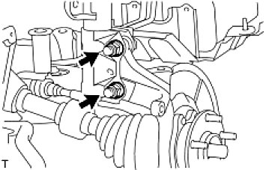

(a) | Remove the 2 bolts and 2 nuts, and disconnect the shock absorber from the steering knuckle.
 | HINT: While fixing the nuts in place, loosen and remove the bolts.
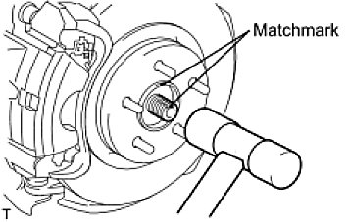

(b) | Put matchmarks on the drive shaft and axle hub.
(c) | Using a plastic-faced hammer, remove the steering knuckle with axle hub.
 | NOTE: Be careful not to damage the boot and speed sensor rotor. Do not excessively push out the drive shaft from the axle assembly.

11. REMOVE FRONT LOWER BALL JOINT ASSEMBLY LH See: Steering and Suspension\Suspension\Ball Joint\Service and Repair\Removal

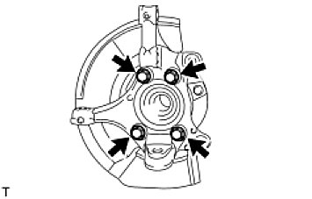

12. REMOVE FRONT AXLE HUB SUB-ASSEMBLY LH

(a) | Remove the 4 bolts and axle hub from the steering knuckle.
 | NOTE: Do not place the hub and bearing's magnet rotor side so that it is facing downward, and do not allow the magnet rotor side to become damaged or contact foreign matter.
(b) | Remove the dust cover from the steering knuckle.

